1. Title Page
[Project Name]

Project Name: Instacart Customer Data Analysis Project
Date: 09/16/2024
Analyst Name:Samarth Rao

Contents:
Population Flow
Consistency checks
Wrangling steps
Column derivations
Visualizations
Recommendations

2. Population Flow
 | Title page

Population flow

Exclusion flag
Condition: max_order <
Obervations to be removed:
Final total count of order_products_all:

Orders_products_combined
Orders_products_merged
Orders_products_all

Total: 32433030
Total: 32434489
Total:
32433030

1.) The grey boxes in the first row of the population flow represent the original data sets as they were when you downloaded them. In the Total fields you need to add the count of the rows when you imported the data set into Jupyter.
2.) The second row of boxes (coloured) represents the data sets after you manipulated them, e.g., removed missing values and duplicates. In the Total fields you need to add the count of the rows after conducting these operations. This offers a visual oveview of how the data flows throughout the data consistency checks.
3.) The third row, where also the arrows are coloured, represents the merges you performed between the datasets. In the Total fields you need to add the count of the rows in the merged datasets, so that you end up with the final dataset (in the red box). Keep in mind the final dataset should be without exclusions (based on the exclusion flag).

3. Consistency checks
 |  |  |  | Title page
Consistency checks

Dataset | Missing values | Missing values treatment | Duplicates
order id | 0 | none | none
user id | 0 | none | none
eval set | 0 | none | none
order number | 0 | none | none
order day of week | 0 | none | none
order hour of day | 0 | none | none
dyas since prior order | 206209 | imputed mean | none

4. Wrangling steps
 |  |  |  | Title page
Wrangling steps

Columns dropped | Columns renamed | Columns' type changed | Comment/Reason
 | order day of week |  | Consistency
 | order hour of day |  | Consistency

5. Column derivations
 |  |  |  | Title page

Column derivations and aggregations

In this tab you should add tables below that the frequences of flags/label variables that you produced after deriving them. NB: don't do this for continuous variables, only for flags.
Dataset | New column | Column/s it was derived from | Conditions
df_merged_large | order id | original data
df_merged_large | user id | original data
df_merged_large | eval set | original data
df_merged_large | order number | original data
df_merged_large | order day of week | original data
df_merged_large | order hour of day | original data
df_merged_large | days since prior order | original data
df_merged_large | product id | original data
df_merged_large | add to cart order | original data
df_merged_large | median prior order time | original data
df_merged_large | frequency flag | original data
df_merged_large | gender | original data
df_merged_large | state | original data
df_merged_large | age | original data
df_merged_large | date joined | original data
df_merged_large | number of dependants | original data
df_merged_large | marital status | original data
df_merged_large | region | original data

6. Visualizations
 |  |  | Title page

Visualisations

In this tab you should include all the visualtions from Exercises 4.9 and 4.10, alongside the questions from the project brief that they answer. Include any commentary on the relationship between different variables.

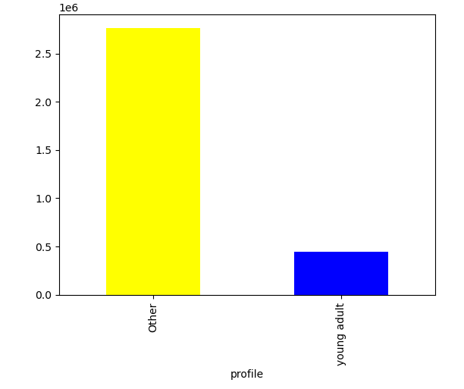

This bar plot visualization shows the distribution between young adult profiles (18-35) compared to other profiles in the data set.

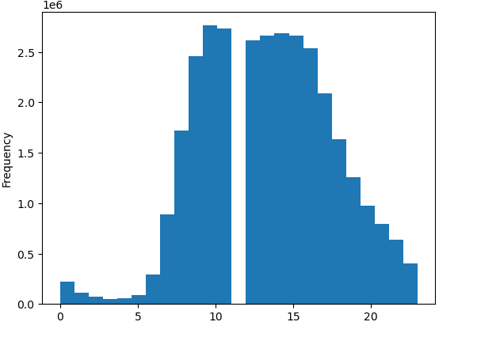

This histogram shows us that the busiest order hour would be the 9th hour of the day

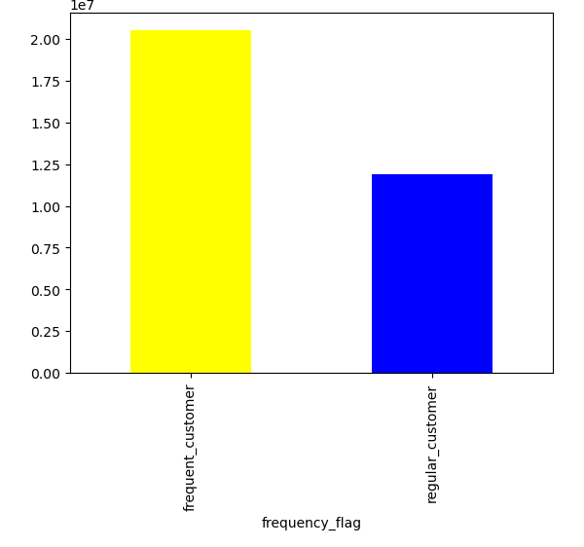

 | This bar plot shows the distribution between the regular customer profiles and the frequent customer profiles

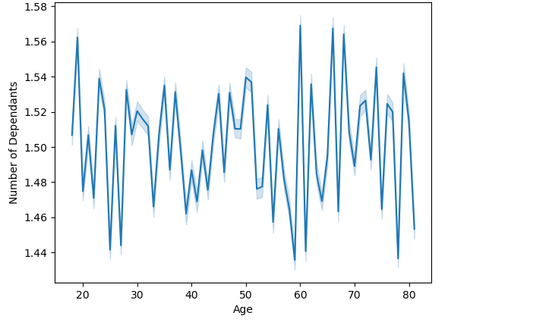

 | This line chart explores the connection between age and number of dependants. We can see that people in their early 20s and early 60s tend to have a higher number of dependants.

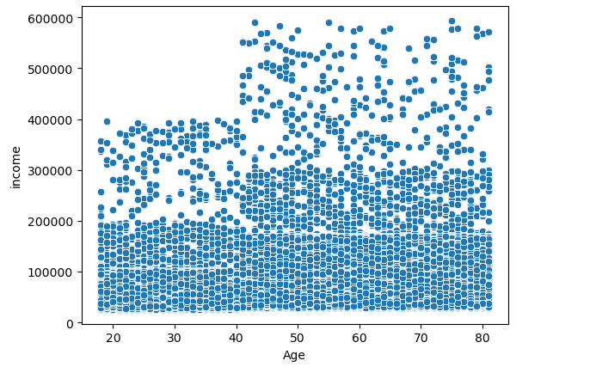

 | This scatterplot shows the connection between age and spending power. We can see that customers ovewr the age of 40 tend to have much higher incomes.

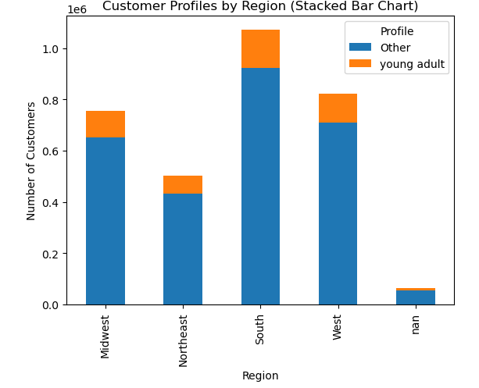

 |  | This stacked bar blot shows the differences in customer profiles between the major regions of the US.

7. Recommendations
 |  |  | Title page

Recommendations

In this tab you should include any recommendations you would made to Instcart in terms of their marketing strategy based on the questions posed in the brief. Every key question has been covered in the Tasks of the Exercises - here you need to add an item - a visualisation or table/crosstable that is showing the answer in the data, acompanied by a comment from you. Please, list the questions below and add the answer underneath.

Question
1. What's the distribution of users in regards to brand loyalty?
2. Is there a connection between customer age and spending power?
3. Is there a connection between customer age and the number of dependants they have?

Answers with Visuals

1

 | This bar plot visualisation shows the two different loyalty flags. They are ''regular customer'' and ''frequent customer''.
 | The visualisation shows that there is a larger number of frequent customers than regular customers.

2

 |  | This scatterplot shows the connection between age and spending power. We can see that customers ovewr the age of 40 tend to have much higher incomes.

3

 |  | This line chart explores the connection between age and number of dependants. We can see that people in their early 20s and early 60s tend to have a higher number of dependants.

